Solution 1
Case Study #4: Optimal Decision at CalDev Company

Option 1
Sell the property | 2100000

Option 2 | Permit Approved |  | Permit Rejected
Request a permit to build a five-star hotel | 0.25 |  | 0.75
 | Approved | City's economic growth | Approved | City's economic decline | Rejected | Sell the property | Rejected | Lease the property
 | 0.6 | 0.4
 | 3400000 | 1600000 | 2100000 | 2400000
Cost for permit | 300000

Option 3 | Permit Approved |  | Permit Rejected
Request a permit to build an office building (city's superviser's preference) | 0.7 |  | 0.3
 | Approved | Economic growth | Approved | Economic decline | Rejected | Sell the Property | Rejected | Lease the Property
 | 0.6 | 0.4
 | 2900000 | 1300000 | 2100000 | 2400000
Cost for permit | 300000

CalDev Company Decision Tree
Sell the property
Request permit for hotel
Request permit for ooffice
Approved
Economic growth
Economic decline
Approved
Economic decline
Rejected
Sell
Lease
Rejected
Sell
Lease
Request for office permit
Economic growth
Approved
Economic growth
Economic decline
Rejected
Sell
Lease

Solution 2
PrecisionTree Policy Suggestion - Optimal Decision Tree
Performed By: Nidhi Sharma
Date: Sunday, February 25, 2024 7:08:58 PM
Model: Decision Tree 'CalDev Company Decision Tree' in [ak2382_Case 4_BAN630.xlsx]Solution 1

CalDev Company Decision Tree
Economic growth
 | Decision
 | 2170000
 |  |  | 60.0% | 15.0%
 |  |  | 3400000 | 3100000
Approved
 |  | 25.0% | Chance
 |  |  | 2380000
Economic decline
 |  |  | 40.0% | 10.0%
 |  |  | 1600000 | 1300000
Request permit for hotel
 | TRUE | Chance
 | -300000 | 2170000
Rejected
 |  | 75.0% | Decision
 |  | 0 | 2100000
Lease
 |  |  | TRUE | 75.0%
 |  |  | 2400000 | 2100000

Solution 3
PrecisionTree Risk Profile - Probability Chart
Performed By: Nidhi Sharma
Date: Sunday, February 25, 2024 7:11:31 PM
Model: Decision Tree 'CalDev Company Decision Tree' in [ak2382_Case 4_BAN630.xlsx]Solution 1
Analysis: Optimal Path of Entire Decision Tree

Probabilities for Decision Tree 'CalDev Company Decision Tree' Optimal Path of Entire Decision Tree
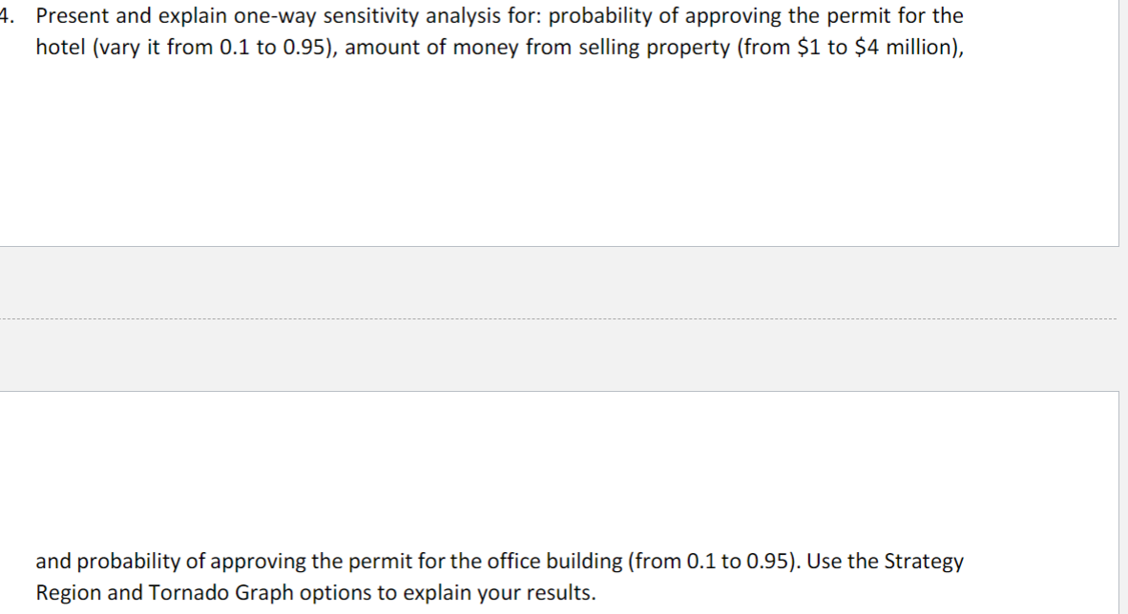

Chart Data
 | Optimal Path
 | Value | Probability
#1 | 1300000 | 10.0000%
#2 | 2100000 | 75.0000%
#3 | 3100000 | 15.0000%

Strategy B8
PrecisionTree Sensitivity Analysis - Strategy Region
Performed By: Nidhi Sharma
Date: Sunday, February 25, 2024 7:33:45 PM
Output: Decision Tree 'CalDev Company Decision Tree' (Expected Value of Entire Model)
Input: Request a permit to build a five-star hotel (B8)

Strategy Region of Decision Tree 'CalDev Company Decision Tree' Expected Value of Node 'Decision' (D35) With Variation of Request a permit to build a five-star hotel (B8)

Strategy Region Data
 | Input |  | Sell the property |  | Request permit for hotel |  | Request permit for ooffice
 | Value | Change (%) | Value | Change (%) | Value | Change (%) | Value | Change (%)
#1 | 0.1 | -60.00% | 2100000 | -3.23% | 2128000 | -1.94% | 2002000 | -7.74%
#2 | 0.185 | -26.00% | 2100000 | -3.23% | 2151800 | -0.84% | 2002000 | -7.74%
#3 | 0.27 | 8.00% | 2100000 | -3.23% | 2175600 | 0.26% | 2002000 | -7.74%
#4 | 0.355 | 42.00% | 2100000 | -3.23% | 2199400 | 1.35% | 2002000 | -7.74%
#5 | 0.44 | 76.00% | 2100000 | -3.23% | 2223200 | 2.45% | 2002000 | -7.74%
#6 | 0.525 | 110.00% | 2100000 | -3.23% | 2247000 | 3.55% | 2002000 | -7.74%
#7 | 0.61 | 144.00% | 2100000 | -3.23% | 2270800 | 4.65% | 2002000 | -7.74%
#8 | 0.695 | 178.00% | 2100000 | -3.23% | 2294600 | 5.74% | 2002000 | -7.74%
#9 | 0.78 | 212.00% | 2100000 | -3.23% | 2318400 | 6.84% | 2002000 | -7.74%
#10 | 0.865 | 246.00% | 2100000 | -3.23% | 2342200 | 7.94% | 2002000 | -7.74%
#11 | 0.95 | 280.00% | 2100000 | -3.23% | 2366000 | 9.03% | 2002000 | -7.74%

Strategy B4
PrecisionTree Sensitivity Analysis - Strategy Region
Performed By: Nidhi Sharma
Date: Sunday, February 25, 2024 7:33:46 PM
Output: Decision Tree 'CalDev Company Decision Tree' (Expected Value of Entire Model)
Input: Sell the property (B4)

Strategy Region of Decision Tree 'CalDev Company Decision Tree' Expected Value of Node 'Decision' (D35) With Variation of Sell the property (B4)

Strategy Region Data
 | Input |  | Sell the property |  | Request permit for hotel |  | Request permit for ooffice
 | Value | Change (%) | Value | Change (%) | Value | Change (%) | Value | Change (%)
#1 | 1000000 | -52.38% | 2100000 | -3.23% | 2170000 | 0.00% | 2002000 | -7.74%
#2 | 1300000 | -38.10% | 2100000 | -3.23% | 2170000 | 0.00% | 2002000 | -7.74%
#3 | 1600000 | -23.81% | 2100000 | -3.23% | 2170000 | 0.00% | 2002000 | -7.74%
#4 | 1900000 | -9.52% | 2100000 | -3.23% | 2170000 | 0.00% | 2002000 | -7.74%
#5 | 2200000 | 4.76% | 2100000 | -3.23% | 2170000 | 0.00% | 2002000 | -7.74%
#6 | 2500000 | 19.05% | 2100000 | -3.23% | 2170000 | 0.00% | 2002000 | -7.74%
#7 | 2800000 | 33.33% | 2100000 | -3.23% | 2170000 | 0.00% | 2002000 | -7.74%
#8 | 3100000 | 47.62% | 2100000 | -3.23% | 2170000 | 0.00% | 2002000 | -7.74%
#9 | 3400000 | 61.90% | 2100000 | -3.23% | 2170000 | 0.00% | 2002000 | -7.74%
#10 | 3700000 | 76.19% | 2100000 | -3.23% | 2170000 | 0.00% | 2002000 | -7.74%
#11 | 4000000 | 90.48% | 2100000 | -3.23% | 2170000 | 0.00% | 2002000 | -7.74%

Strategy B15
PrecisionTree Sensitivity Analysis - Strategy Region
Performed By: Nidhi Sharma
Date: Sunday, February 25, 2024 7:33:48 PM
Output: Decision Tree 'CalDev Company Decision Tree' (Expected Value of Entire Model)
Input: Request a permit to build an office building (city's superviser' (B15)

Strategy Region of Decision Tree 'CalDev Company Decision Tree' Expected Value of Node 'Decision' (D35) With Variation of Request a permit to build an office building (city's superviser' (B15)

Strategy Region Data
 | Input |  | Sell the property |  | Request permit for hotel |  | Request permit for ooffice
 | Value | Change (%) | Value | Change (%) | Value | Change (%) | Value | Change (%)
#1 | 0.1 | -85.71% | 2100000 | -3.23% | 2170000 | 0.00% | 2086000 | -3.87%
#2 | 0.185 | -73.57% | 2100000 | -3.23% | 2170000 | 0.00% | 2074100 | -4.42%
#3 | 0.27 | -61.43% | 2100000 | -3.23% | 2170000 | 0.00% | 2062200 | -4.97%
#4 | 0.355 | -49.29% | 2100000 | -3.23% | 2170000 | 0.00% | 2050300 | -5.52%
#5 | 0.44 | -37.14% | 2100000 | -3.23% | 2170000 | 0.00% | 2038400 | -6.06%
#6 | 0.525 | -25.00% | 2100000 | -3.23% | 2170000 | 0.00% | 2026500 | -6.61%
#7 | 0.61 | -12.86% | 2100000 | -3.23% | 2170000 | 0.00% | 2014600 | -7.16%
#8 | 0.695 | -0.71% | 2100000 | -3.23% | 2170000 | 0.00% | 2002700 | -7.71%
#9 | 0.78 | 11.43% | 2100000 | -3.23% | 2170000 | 0.00% | 1990800 | -8.26%
#10 | 0.865 | 23.57% | 2100000 | -3.23% | 2170000 | 0.00% | 1978900 | -8.81%
#11 | 0.95 | 35.71% | 2100000 | -3.23% | 2170000 | 0.00% | 1967000 | -9.35%

Tornado
PrecisionTree Sensitivity Analysis - Tornado Graph
Performed By: Nidhi Sharma
Date: Sunday, February 25, 2024 7:33:49 PM
Output: Decision Tree 'CalDev Company Decision Tree' (Expected Value of Entire Model)

Tornado Graph of Decision Tree 'CalDev Company Decision Tree' Expected Value of Entire Model
Request a permit to build a five-star hotel (B8) | 0 | 2128000 | 0 | 238000
Sell the property (B4) | 0 | 2170000 | 0 | 0
Request a permit to build an office building (city's superviser' (B15) | 0 | 2170000 | 0 | 0

Tornado Graph Data
Decision Tree 'CalDev Company Decision Tree' (Expected Value of Entire Model)
 |  |  | Minimum |  |  | Maximum
 |  |  | Output |  | Input | Output |  | Input
Rank | Input Name | Cell | Value | Change (%) | Value | Value | Change (%) | Value
1 | Request a permit to build a five-star hotel (B8) | B8 | 2128000 | -1.94% | 0.1 | 2366000 | 9.03% | 0.95
2 | Sell the property (B4) | B4 | 2170000 | 0.00% | 1000000 | 2170000 | 0.00% | 1000000
3 | Request a permit to build an office building (city's superviser' (B15) | B15 | 2170000 | 0.00% | 0.1 | 2170000 | 0.00% | 0.1

